2015 Q1
Cover Pool Report for Storebrand Boligkreditt AS
Report Date | 2015-03-31
Report Currency | NOK
Composition of Cover Pool | 100 % residential

Table 1. Overview of Cover Pool
Total Loan Balance | 13,799,585,125
Average Loan Balance | 1,556,988
No. of Loans | 8,863
10 Largest Borrowers | 0.63%
WA Seasoning (months) | 40
WA Remaining Life (months) | 201
No. of Borrowers | 8,145
No. of Properties | 8,786
WA Indexed LTV | 49.33%
WA Original LTV | 52.28%
WA Indexed ETV | 52.02%
WA Original ETV | 55.22%
Flexible Mortgages | 30.43%
Loans in Arrears > 90 days | 0.11%
Substitute Assets | 408,812,660
Current OC (eligible only) | 131%
OC if 20 % house price drop | 125%
OC if 30 % house price drop | 119%
Total Cover Pool | 14,208,397,785

Table 2. LTV breakdown of Residential Mortgages - Indexed LTV ranges
LTV ranges | Loan Balance | No. of Borrowers | Relative size
0-≤40% | 4,370,712,013 | 4,823 | 31.67%
>40%-≤50% | 2,113,911,587 | 1,097 | 15.32%
>50%-≤60% | 2,525,733,030 | 1,110 | 18.30%
>60%-≤70% | 2,773,239,637 | 1,097 | 20.10%
>70%-≤80% | 1,900,247,891 | 701 | 13.77%
>80%-≤85% | 71,822,342 | 21 | 0.52%
>85%-≤90% | 21,338,741 | 6 | 0.15%
>90%-≤95% | 8,460,945 | 2 | 0.06%
>95%-≤100% |  |  | 0.00%
>100%-≤105% |  |  | 0.00%
>105% | 14,118,939 | 6 | 0.10%
Total | 13,799,585,125 | 8,863 | 100.00%

Table 3. LTV breakdown of Residential Mortgages - Original LTV ranges
LTV ranges | Loan Balance | No. of Borrowers | Relative size
0-≤40% | 3,496,655,719 | 4,162 | 25.34%
>40%-≤50% | 2,085,508,168 | 1,191 | 15.11%
>50%-≤60% | 2,655,127,084 | 1,270 | 19.24%
>60%-≤70% | 3,122,357,941 | 1,267 | 22.63%
>70%-≤80% | 2,379,183,552 | 947 | 17.24%
>80%-≤85% | 33,775,475 | 14 | 0.24%
>85%-≤90% | 17,714,133 | 5 | 0.13%
>90%-≤95% | 4,293,951 | 3 | 0.03%
>95%-≤100% | 4,969,102 | 4 | 0.04%
>100%-≤105% |  |  | 0.00%
>105% |  |  | 0.00%
Total | 13,799,585,125 | 8,863 | 100.00%

Table 4. Loan Balance in different Regions - Indexed LTV ranges
Region | Total | LTV: 0-≤40% | LTV:>40%-≤50% | LTV:>50%-≤60% | LTV:>60%-≤70% | LTV:>70%-≤80% | LTV:>80%-≤85% | LTV:>85%-≤90% | LTV:>90%-≤95% | LTV:>95%-≤100% | LTV:>100%-≤105% | LTV:>105%
Akershus | 4,551,034,764 | 1,547,960,572 | 741,273,415 | 895,400,478 | 832,265,560 | 504,749,800 | 16,431,484 | 8,363,455 |  |  |  | 4,590,000
Aust-Agder | 65,694,149 | 29,338,332 | 11,236,197 | 7,897,298 | 3,044,837 | 9,438,533 | 2,842,499 | 1,896,454
Buskerud | 783,391,755 | 179,846,141 | 92,842,689 | 129,963,448 | 210,823,812 | 147,866,156 | 10,970,677 | 11,078,832
Finnmark | 19,816,231 | 5,104,532 | 1,902,482 | 950,764 | 8,431,181 | 3,427,272
Hedmark | 121,048,873 | 43,149,763 | 21,269,574 | 23,586,539 | 20,457,250 | 10,384,468 | 2,201,279
Hordaland | 657,763,196 | 161,224,995 | 105,954,707 | 134,941,673 | 160,607,584 | 94,616,268 |  |  |  |  |  | 417,968
More og Romsdal | 159,574,617 | 40,554,570 | 24,741,308 | 21,996,130 | 47,092,039 | 25,190,569
Nordland | 63,193,124 | 24,209,822 | 3,529,474 | 17,619,506 | 15,206,085 | 2,628,236
Nord-Trondelag | 36,611,857 | 7,717,012 | 3,894,352 | 10,681,210 | 6,909,199 | 7,410,086
Oppland | 125,643,289 | 32,462,207 | 25,690,719 | 26,060,359 | 30,675,544 | 10,754,460
Oslo | 4,416,888,586 | 1,577,848,785 | 670,293,019 | 766,557,888 | 802,964,455 | 567,878,514 | 22,391,470 |  | 8,460,945 |  |  | 493,512
Ostfold | 1,131,450,993 | 252,177,080 | 155,210,032 | 197,472,616 | 276,530,188 | 247,286,362 |  |  |  |  |  | 2,774,714
Rogaland | 12,962,571 | 2,772,046 | 785,417 | 7,669,298 | 1,735,811
Sogn og Fjordane | 326,615,345 | 102,415,993 | 45,305,812 | 51,026,267 | 61,378,340 | 66,488,932
Sor-Trondelag | 68,780,900 | 21,935,155 | 3,824,694 | 24,927,339 | 6,209,323 | 8,385,038 | 3,499,352
Telemark | 173,785,323 | 65,205,597 | 33,761,116 | 25,361,349 | 32,975,824 | 12,381,438 | 4,100,000
Troms | 177,161,456 | 36,947,699 | 29,121,533 | 31,279,273 | 57,892,000 | 18,910,892 | 3,010,058
Vest-Agder | 434,474,307 | 122,976,012 | 69,432,858 | 74,220,654 | 92,325,641 | 69,676,396 |  |  |  |  |  | 5,842,746
Vestfold | 473,693,789 | 116,865,700 | 73,842,188 | 78,120,941 | 105,714,967 | 92,774,470 | 6,375,523
Unknown Norway | -
Total | 13,799,585,125 | 4,370,712,013 | 2,113,911,587 | 2,525,733,030 | 2,773,239,637 | 1,900,247,891 | 71,822,342 | 21,338,741 | 8,460,945 | - | - | 14,118,939

Table 5. Loans in arrear - Indexed LTV ranges
Arrear group | Total | LTV: 0-≤40% | LTV:>40%-≤50% | LTV:>50%-≤60% | LTV:>60%-≤70% | LTV:>70%-≤80% | LTV:>80%-≤85% | LTV:>85%-≤90% | LTV:>90%-≤95% | LTV:>95%-≤100% | LTV:>100%-≤105% | LTV:>105%
<2 (and not BPI or Fce) | 114,124,872 | 23,502,957 | 17,229,523 | 17,048,175 | 26,145,474 | 28,303,896 | 1,894,847
≥2-<6 (and not BPI or Fce) | 19,954,189 | 2,266,601 | 1,286,148 | 3,469,948 | 10,570,451 | 2,361,041
≥6-<12 (and not BPI or Fce) | 2,804,412 | 2,804,412
>12 (and not BPI or Fce) | -
BPI (and not Fce) | -
Foreclosure ("Fce") | -
Total | 136,883,473 | 28,573,970 | 18,515,671 | 20,518,123 | 36,715,925 | 30,664,937 | 1,894,847 | - | - | - | - | -

Table 6. Seasoning of Mortgages (Months) - Indexed LTV ranges
Seasoning group | Total | LTV: 0-≤40% | LTV:>40%-≤50% | LTV:>50%-≤60% | LTV:>60%-≤70% | LTV:>70%-≤80% | LTV:>80%-≤85% | LTV:>85%-≤90% | LTV:>90%-≤95% | LTV:>95%-≤100% | LTV:>100%-≤105% | LTV:>105%
< 12 | 3,587,363,329 | 516,186,448 | 436,975,423 | 582,353,134 | 962,160,212 | 1,061,648,020 | 17,864,312 | 5,585,780 |  |  |  | 4,590,000
≥12-<24 | 1,515,800,092 | 239,890,940 | 172,173,929 | 340,626,658 | 421,098,494 | 316,780,050 | 14,315,678 | 2,777,675 | 5,361,954 |  |  | 2,774,714
≥24-<36 | 2,815,302,504 | 738,147,530 | 394,209,466 | 648,981,607 | 711,677,345 | 296,039,928 | 18,714,981 | 7,375,178 |  |  |  | 156,469
≥36-<60 | 2,664,429,870 | 915,208,305 | 527,849,732 | 518,853,692 | 493,618,253 | 187,283,396 | 12,917,395 | 5,600,108 | 3,098,991
≥60 | 3,216,689,330 | 1,961,278,790 | 582,703,038 | 434,917,938 | 184,685,334 | 38,496,498 | 8,009,976 |  |  |  |  | 6,597,756
Total | 13,799,585,125 | 4,370,712,013 | 2,113,911,587 | 2,525,733,030 | 2,773,239,637 | 1,900,247,891 | 71,822,342 | 21,338,741 | 8,460,945 | - | - | 14,118,939
...
Table 12. Loan size
< NOK 1 million | 1,606,236,312
[NOK 1 million, NOK 2 million> | 3,977,128,995
[NOK 2 million, NOK 3 million> | 3,525,918,490
[NOK 3 million, NOK 4 million> | 2,550,035,305
[NOK 4 million, NOK 5 million> | 1,040,237,489
> NOK 5 million | 1,100,028,534
Total | 13,799,585,125

Figure 1. Maturity Profile of Covered Bonds and Residential Mortgages in Cover Pool
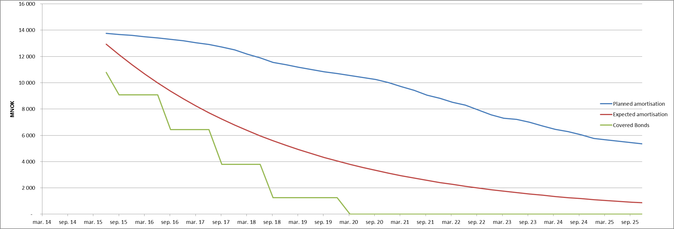

2014 Q4
...
Table 12. Loan size
[NOK 2 million, NOK 3 million> | 3,624,078,954
[NOK 3 million, NOK 4 million> | 2,604,819,520
[NOK 4 million, NOK 5 million> | 1,078,673,047
> NOK 5 million | 1,204,279,530
Total | 14,307,552,717

Figure 1. Maturity Profile of Covered Bonds and Residential Mortgages in Cover Pool

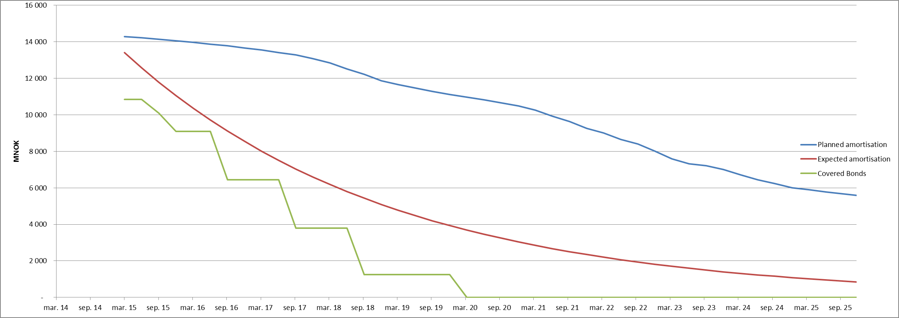

2014 Q3
...
Table 12. Loan size
< NOK 1 million | 1,731,017,124
[NOK 1 million, NOK 2 million> | 4,265,068,931
[NOK 2 million, NOK 3 million> | 3,791,709,280
[NOK 3 million, NOK 4 million> | 2,674,437,043
[NOK 4 million, NOK 5 million> | 1,154,937,506
> NOK 5 million | 1,303,432,014
Total | 14,920,601,896

Figure 1. Maturity Profile of Covered Bonds and Residential Mortgages in Cover Pool
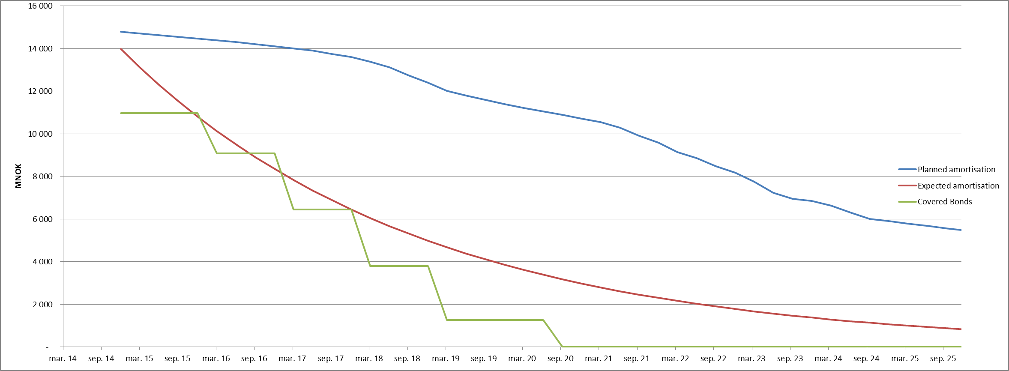

2014 Q2
...
Table 11. Loan size
< NOK 1 million | 1,765,053,210
[NOK 1 million, NOK 2 million> | 4,343,269,033
[NOK 2 million, NOK 3 million> | 3,755,984,113
[NOK 3 million, NOK 4 million> | 2,647,670,698
[NOK 4 million, NOK 5 million> | 1,169,197,565
> NOK 5 million | 1,186,609,507
Total | 14,867,784,125

Figure 1. Maturity Profile of Covered Bonds and Residential Mortgages in Cover Pool
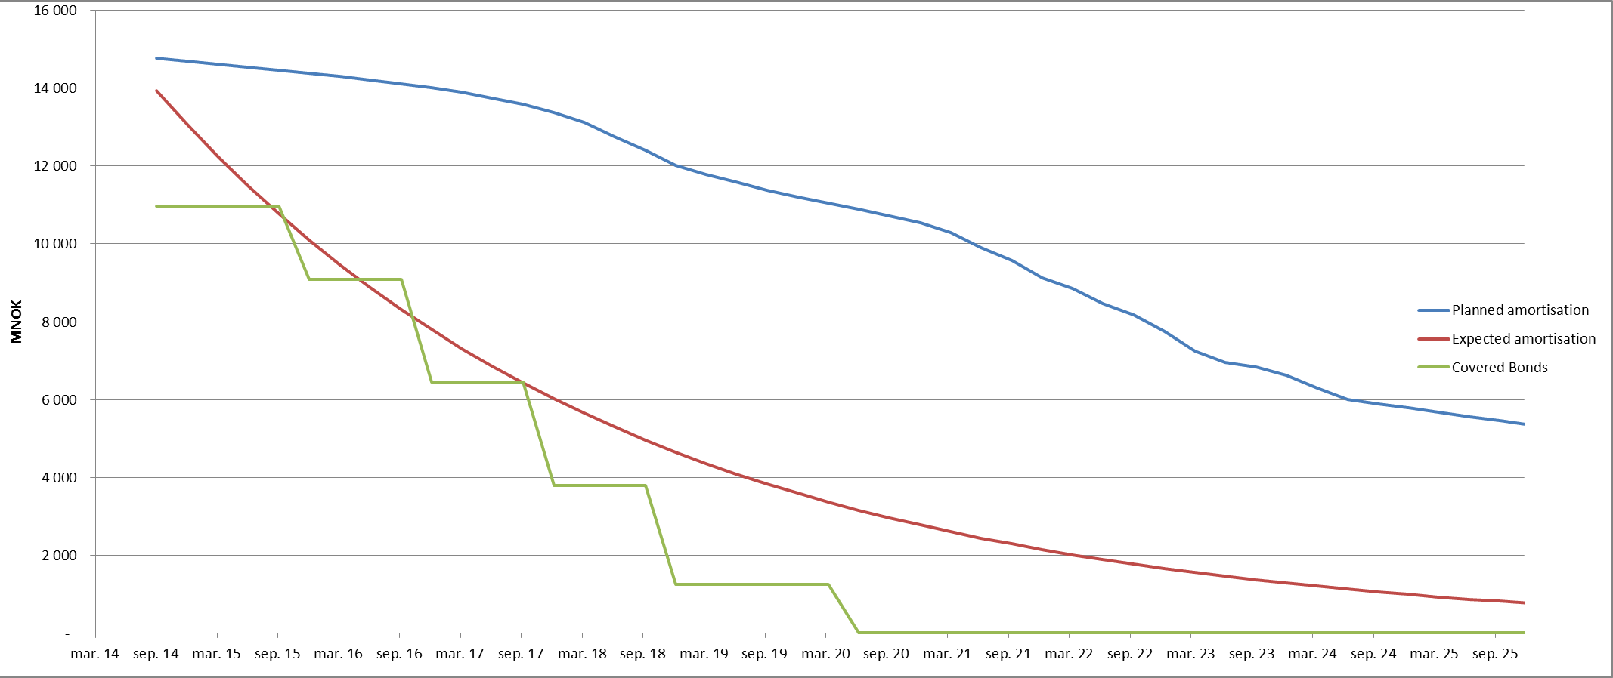

2013 Q4
...
Table 9. Outstanding Covered Bonds
NO0010660822 | NOK (Norway) | 500,000,000.00 | 2018-06-20 | 2019-06-20 | Quarterly | Floating rate | 2012-09-21 | 12

Table 10. Substitute Assets
Counterparty | ISIN | Exposure Type | Currency | Nominal Amount | FX rate | Rating (M/F/S&P)
Storebrand Bank ASA | NA. | Deposit | NOK | 301,712,092 |  | Baa1/NR/BBB+
Nordea Bank Norge ASA | NA. | Deposit | NOK | 101,600,000 |  | Aa3/AA-/AA-

Figure 1. Maturity Profile of Covered Bonds and Residential Mortgages in Cover Pool
 | Planned amortisation | Expected amortisation | Covered Bonds
41729 | 14722176403 | 13883171255 | 11936500000
41820 | 14644288178 | 13015473051 | 11936500000
41912 | 14564380835 | 12202005986 | 11936500000
42004 | 14484691806 | 11439380611 | 11086500000
42094 | 14403652766 | 10724419323 | 11086500000
42185 | 14320357031 | 10054143116 | 11086500000
42277 | 14235971716 | 9425759170.8 | 11086500000
42369 | 14151892128 | 8836649222.6 | 7046500000
42460 | 14066229844 | 8284358646.2 | 7046500000
42551 | 13977043683 | 7766586230.8 | 7046500000
42643 | 13875969391 | 7281174591.4 | 7046500000
42735 | 13771308264 | 6826101179.5 | 4400000000
42825 | 13657901862 | 6399469855.7 | 4400000000
42916 | 13536222873 | 5999502989.8 | 4400000000
43008 | 13365038234 | 5624534052.9 | 4400000000
43100 | 13202540012 | 5273000674.6 | 1750000000
43190 | 12958550847 | 4943438132.4 | 1750000000
43281 | 12675351356 | 4634473249.1 | 1750000000
43373 | 12207044167 | 4344818671.1 | 1750000000
43465 | 11803085162 | 4073267504.1 | 1250000000
43555 | 11333292296 | 3818688285.1 | 1250000000
43646 | 11089357977 | 3580020267.3 | 1250000000
43738 | 10852860406 | 3356269000.6 | 1250000000
43830 | 10613893003 | 3146502188.1 | 1250000000
43921 | 10413228532 | 2949845801.3 | 1250000000
44012 | 10244821095 | 2765480438.7 | 0
44104 | 10077792718 | 2592637911.3 | 0
44196 | 9878559698.3 | 2430598041.8 | 0
44286 | 9705472188.1 | 2278685664.2 | 0
44377 | 9419369595.5 | 2136267810.2 | 0
44469 | 8995237706.4 | 2002751072.1 | 0
44561 | 8623767989.2 | 1877579130.1 | 0
44651 | 8086578165.8 | 1760230434.4 | 0
44742 | 7757622747.9 | 1650216032.3 | 0
44834 | 7279885955.6 | 1547077530.3 | 0
44926 | 6938960637.1 | 1450385184.6 | 0
45016 | 6420996060.2 | 1359736110.6 | 0
45107 | 5850810262.1 | 1274752603.7 | 0
45199 | 5530577291.6 | 1195080566 | 0
45291 | 5416151364.4 | 1120388030.6 | 0
45382 | 5301023596.5 | 1050363778.7 | 0
45473 | 5186288084.5 | 984716042.5 | 0
45565 | 5072001582.4 | 923171289.84 | 0
45657 | 4958197782.1 | 865473084.23 | 0
45747 | 4843702020.1 | 811381016.47 | 0
45838 | 4729551756.1 | 760669702.94 | 0
45930 | 4616121918.5 | 713127846.5 | 0
46022 | 4504144551.4 | 668557356.1 | 0
46112 | 4392030602.7 | 626772521.34 | 0

2013 Q3
...
Table 9. Outstanding Covered Bonds
NO0010660822 | NOK (Norway) | 500,000,000.00 | 2018-06-20 | 2019-06-20 | Quarterly | Floating rate | 2012-09-21 | 12

Table 10. Substitute Assets
Counterparty | ISIN | Exposure Type | Currency | Nominal Amount | FX rate | Rating (M/F/S&P)
Storebrand Bank ASA | NA. | Deposit | NOK | 300,490,182 |  | Baa1/NR/BBB+
Nordea Bank Norge ASA | NA. | Deposit | NOK | 209,798,282 |  | Aa3/AA-/AA-

Figure 1. Maturity Profile of Covered Bonds and Residential Mortgages in Cover Pool
 | Planned amortisation | Expected amortisation | Covered Bonds
41547 | 15515961167 | 15515961167 | 11936500000
41639 | 15429421564 | 14546213594 | 11936500000
41729 | 15351533339 | 13637075244 | 11936500000
41820 | 15271625997 | 12784758042 | 11936500000
41912 | 15191936967 | 11985710664 | 11086500000
42004 | 15110897928 | 11236603747 | 11086500000
42094 | 15027602193 | 10534316013 | 11086500000
42185 | 14943216878 | 9875921262.4 | 11086500000
42277 | 14859137290 | 9258676183.5 | 7046500000
42369 | 14773475006 | 8680008922 | 7046500000
42460 | 14684288845 | 8137508364.4 | 7046500000
42551 | 14583214553 | 7628914091.6 | 7046500000
42643 | 14478553426 | 7152106960.9 | 4400000000
42735 | 14365147024 | 6705100275.8 | 4400000000
42825 | 14243468035 | 6286031508.6 | 4400000000
42916 | 14072283396 | 5893154539.3 | 4400000000
43008 | 13909785173 | 5524832380.6 | 1750000000
43100 | 13665796009 | 5179530356.8 | 1750000000
43190 | 13382596518 | 4855809709.5 | 1750000000
43281 | 12914289329 | 4552321602.7 | 1750000000
43373 | 12510330324 | 4267801502.5 | 1250000000
43465 | 12040537458 | 4001063908.6 | 1250000000
43555 | 11796603139 | 3750997414.3 | 1250000000
43646 | 11560105568 | 3516560075.9 | 1250000000
43738 | 11321138165 | 3296775071.2 | 1250000000
43830 | 11120473694 | 3090726629.2 | 1250000000
43921 | 10952066257 | 2897556214.9 | 0
44012 | 10785037880 | 2716458951.5 | 0
44104 | 10585804860 | 2546680267 | 0
44196 | 10412717350 | 2387512750.3 | 0
44286 | 10126614757 | 2238293203.4 | 0
44377 | 9702482868.2 | 2098399878.2 | 0
44469 | 9331013151 | 1967249885.8 | 0
44561 | 8793823327.6 | 1844296768 | 0
44651 | 8464867909.7 | 1729028220 | 0
44742 | 7987131117.4 | 1620963956.2 | 0
44834 | 7646205798.9 | 1519653708.9 | 0
44926 | 7128241222 | 1424675352.1 | 0
45016 | 6558055424 | 1335633142.6 | 0
45107 | 6237822453.5 | 1252156071.2 | 0
45199 | 6123396526.3 | 1173896316.8 | 0
45291 | 6008268758.3 | 1100527797 | 0
45382 | 5893533246.3 | 1031744809.7 | 0
45473 | 5779246744.2 | 967260759.05 | 0
45565 | 5665442944 | 906806961.61 | 0
45657 | 5550947182 | 850131526.51 | 0
45747 | 5436796918 | 796998306.1 | 0
45838 | 5323367080.4 | 747185911.97 | 0
45930 | 5211389713.3 | 700486792.47 | 0

2013 Q2
...
Table 9. Outstanding Covered Bonds
NO0010660822 | NOK (Norway) | 500,000,000.00 | 2018-06-20 | 2019-06-20 | Quarterly | Floating rate | 2012-09-21 | 12

Table 10. Substitute Assets
Counterparty | ISIN | Exposure Type | Currency | Nominal Amount | FX rate | Rating (M/F/S&P)
Storebrand Bank ASA | NA. | Deposit | NOK | 299,265,355 |  | Baa1/NR/BBB+
Nordea Bank Norge ASA | NA. | Deposit | NOK | 118,600,000 |  | Aa3/AA-/AA-

Figure 1. Maturity Profile of Covered Bonds and Residential Mortgages in Cover Pool
 | Planned amortisation | Expected amortisation | Covered Bonds
41455 | 16895504502 | 16895504502 | 11936500000
41547 | 16802608250 | 15839535470 | 11936500000
41639 | 16717343624 | 14849564504 | 11936500000
41729 | 16631442625 | 13921466722 | 11936500000
41820 | 16543752013 | 13051375052 | 11936500000
41912 | 16456525068 | 12235664111 | 11086500000
42004 | 16366825556 | 11470935104 | 11086500000
42094 | 16275727439 | 10754001660 | 11086500000
42185 | 16182713347 | 10081876556 | 11086500000
42277 | 16090891912 | 9451759271.7 | 7046500000
42369 | 15997319037 | 8861024317.2 | 7046500000
42460 | 15900044478 | 8307210297.4 | 7046500000
42551 | 15790080817 | 7788009653.8 | 7046500000
42643 | 15673509910 | 7301259050.4 | 4400000000
42735 | 15552914233 | 6844930359.8 | 4400000000
42825 | 15422568949 | 6417122212.3 | 4400000000
42916 | 15229736464 | 6016052074 | 4400000000
43008 | 15055368594 | 5640048819.4 | 1750000000
43100 | 14786946066 | 5287545768.2 | 1750000000
43190 | 14476316115 | 4957074157.7 | 1750000000
43281 | 13974608031 | 4647257022.8 | 1750000000
43373 | 13541314593 | 4356803458.9 | 1250000000
43465 | 13039344502 | 4084503242.7 | 1250000000
43555 | 12777320853 | 3829221790 | 1250000000
43646 | 12527788209 | 3589895428.2 | 1250000000
43738 | 12276716717 | 3365526963.9 | 1250000000
43830 | 12058892865 | 3155181528.7 | 1250000000
43921 | 11875533564 | 2957982683.1 | 0
44012 | 11695365895 | 2773108765.4 | 0
44104 | 11476930943 | 2599789467.6 | 0
44196 | 11287199780 | 2437302625.9 | 0
44286 | 10980435955 | 2284971211.7 | 0
44377 | 10512890584 | 2142160511 | 0
44469 | 10124790322 | 2008275479.1 | 0
44561 | 9540846654.9 | 1882758261.6 | 0
44651 | 9183328459.2 | 1765085870.3 | 0
44742 | 8671679478.5 | 1654768003.4 | 0
44834 | 8307777325.7 | 1551345003.2 | 0
44926 | 7728711654.3 | 1454385940.5 | 0
45016 | 7141518587.1 | 1363486819.2 | 0
45107 | 6804426196.2 | 1278268893 | 0
45199 | 6680340388 | 1198377087.2 | 0
45291 | 6555432272.1 | 1123478519.2 | 0
45382 | 6430869344.1 | 1053261111.8 | 0
45473 | 6306728474 | 987432292.3 | 0
45565 | 6183084492.7 | 925717774.03 | 0
45657 | 6058817481.7 | 867860413.15 | 0
45747 | 5934974575.7 | 813619137.33 | 0
45838 | 5812044633.7 | 762767941.25 | 0
45930 | 5690427134.6 | 715094944.92 | 0
...

2013 Q1
...
Table 9. Outstanding Covered Bonds
NO0010660822 | NOK (Norway) | 500,000,000.00 | 2018-06-20 | 2019-06-20 | Quarterly | Floating rate | 2012-09-21 | 12

Table 10. Substitute Assets
Counterparty | ISIN | Exposure Type | Currency | Nominal Amount | FX rate | Rating (M/F/S&P)
Storebrand Bank ASA | NA. | Deposit | NOK | 297,993,585 |  | Baa1/NR/BBB+
Nordea Bank Norge ASA | NA. | Deposit | NOK | 290,891,670 |  | Aa3/AA-/AA-

Figure 1. Maturity Profile of Covered Bonds and Residential Mortgages in Cover Pool
 | Planned amortisation | Expected amortisation | Covered Bonds
2013-03-31 | 17,496,604,924 | 17,496,604,924 | 11,936,500,000
2013-06-30 | 17,401,171,855 | 16,403,067,116 | 11,936,500,000
2013-09-30 | 17,308,251,184 | 15,377,875,421 | 11,936,500,000
2013-12-31 | 17,217,545,798 | 14,416,758,208 | 11,936,500,000
2014-03-31 | 17,126,309,656 | 13,515,710,820 | 11,936,500,000
2014-06-30 | 17,033,397,549 | 12,670,978,893 | 11,936,500,000
2014-09-30 | 16,940,941,816 | 11,879,042,713 | 11,086,500,000
2014-12-31 | 16,846,153,699 | 11,136,602,543 | 11,086,500,000
2015-03-31 | 16,750,170,059 | 10,440,564,884 | 11,086,500,000
2015-06-30 | 16,652,362,867 | 9,788,029,579 | 11,086,500,000
2015-09-30 | 16,555,816,640 | 9,176,277,730 | 7,046,500,000
2015-12-31 | 16,457,413,267 | 8,602,760,372 | 7,046,500,000
2016-03-31 | 16,355,438,668 | 8,065,087,849 | 7,046,500,000
2016-06-30 | 16,239,793,737 | 7,561,019,858 | 7,046,500,000
2016-09-30 | 16,116,293,085 | 7,088,456,117 | 4,400,000,000
2016-12-31 | 15,988,550,075 | 6,645,427,610 | 4,400,000,000
2017-03-31 | 15,849,463,868 | 6,230,088,384 | 4,400,000,000
2017-06-30 | 15,646,715,531 | 5,840,707,860 | 4,400,000,000
2017-09-30 | 15,461,643,590 | 5,475,663,619 | 1,750,000,000
2017-12-31 | 15,180,646,256 | 5,133,434,643 | 1,750,000,000
2018-03-31 | 14,866,134,209 | 4,812,594,978 | 1,750,000,000
2018-06-30 | 14,337,664,349 | 4,511,807,791 | 1,750,000,000
2018-09-30 | 13,877,489,051 | 4,229,819,804 | 1,250,000,000
2018-12-31 | 13,348,447,633 | 3,965,456,067 | 1,250,000,000
2019-03-31 | 13,067,177,129 | 3,717,615,063 | 1,250,000,000
2019-06-30 | 12,799,998,671 | 3,485,264,121 | 1,250,000,000
2019-09-30 | 12,536,852,327 | 3,267,435,114 | 1,250,000,000
2019-12-31 | 12,302,726,222 | 3,063,220,419 | 1,250,000,000
2020-03-31 | 12,113,520,185 | 2,871,769,143 | 0
2020-06-30 | 11,919,017,463 | 2,692,283,571 | 0
2020-09-30 | 11,688,041,159 | 2,524,015,848 | 0
2020-12-31 | 11,491,021,190 | 2,366,264,858 | 0
2021-03-31 | 11,162,135,213 | 2,218,373,304 | 0
2021-06-30 | 10,658,363,754 | 2,079,724,973 | 0
2021-09-30 | 10,252,284,855 | 1,949,742,162 | 0
2021-12-31 | 9,619,303,777 | 1,827,883,277 | 0
2022-03-31 | 9,222,324,508 | 1,713,640,572 | 0
2022-06-30 | 8,680,748,191 | 1,606,538,036 | 0
2022-09-30 | 8,287,755,016 | 1,506,129,409 | 0
2022-12-31 | 7,676,721,025 | 1,411,996,321 | 0
2023-03-31 | 7,184,296,673 | 1,323,746,551 | 0
2023-06-30 | 7,054,634,647 | 1,241,012,391 | 0
2023-09-30 | 6,925,083,552 | 1,163,449,117 | 0
2023-12-31 | 6,794,754,808 | 1,090,733,547 | 0
2024-03-31 | 6,664,794,345 | 1,022,562,700 | 0
2024-06-30 | 6,535,245,570 | 958,652,532 | 0
2024-09-30 | 6,406,215,163 | 898,736,748 | 0
2024-12-31 | 6,276,515,144 | 842,565,702 | 0
2025-03-31 | 6,147,343,400 | 789,905,345 | 0
2025-06-30 | 6,019,019,057 | 740,536,261 | 0
...

